Summary
 |  |  | Interpret the Results
DDM |  |  | Current Market Price: 564.15 INR (as of today’s close on 08Jan26). |  |  |  |  |  |  |  |  |  | Horizon | Beta (β) | R² | Intercept | Observations
Label | Value |  | DDM Valuation: Base case (g = 0%, ke 24.93%) gives 1.00 INR, even optimistic scenarios (g = 4%, ke = 20%) only reach 1.563 INR. |  |  |  |  |  |  |  |  |  | 3 Years | 2.87 | 0.1471 | −0.07098 | 36
Latest Dividend (D₀) | 0.25 |  |  |  |  |  |  |  |  |  |  |  | 5 Years | 2.77 | 0.1707 | −0.01405 | 59
Growth Rate (g) | 0 |  | Observation:
Next Dividend (D₁) | 0.25 |  | DDM valuation is far below the market price because Adani Total Gas pays negligible dividends (0.25 INR annually).
Required Return (kₑ) | 24.93% |  | DDM assumes value comes only from dividends, so it undervalues high-growth, low-dividend stocks.
DDM Valuation: Price (P₀) | 1.00 |  | Market price reflects growth expectations and retained earnings, which DDM ignores.

X Variable 1 Line Fit Plot
X Variable 1 Line Fit Plot
CAPM |  |  | Regression Statistics
Monthly Rm (avg) | 0.011024713419 |  | Multiple R | 0.41321227477
Monthly Rm (avg) | 1.10% |  | R Square | 0.17074438402
Annual Rm | 13.23% |  | Adjusted R Square | 0.15619603988
Monthly Rf | 0.55% |  | Standard Error | 0.21858625896
Annual Rf | 6.62% |  | Observations | 59
Beta | 2.772
ke (annual CAPM) | 24.93%

5Y ears_Market excess return = Rm − Rf
3 Years_Market excess return = Rm − Rf
Date | Price | Volume (Million) | Year | Price (Ave) | Volume M (Ave) | Rm = Ln return | ATGL (Ri) | Rf =10yrs govt bond = 6.623% pa | Stock excess return = Ri − Rf | Market excess return = Rm − Rf
2025-01-12 | 566.7 | 8510000 | 2025-01-06 12:00:00 | 615.66666667 | 27959166.667 | -0.2803% | -6.8122% | 0.5519% | -7.3641% | -0.8322%
2025-01-11 | 606.65 | 9690000 | 2024-01-06 12:00:00 | 886.09166667 | 49972500 | 1.8521% | -4.0304% | 0.5519% | -4.5823% | 1.3002%
2025-01-10 | 631.6 | 25150000 | 2023-01-06 12:00:00 | 841.00416667 | 39465833.333 | 4.4153% | 1.0025% | 0.5519% | 0.4506% | 3.8634%
2025-01-09 | 625.3 | 97480000 | 2022-01-06 12:00:00 | 2828.4791667 | 7441666.6667 | 0.7515% | 5.6246% | 0.5519% | 5.0727% | 0.1995%
2025-01-08 | 591.1 | 13650000 | 2021-01-06 12:00:00 | 1158.6041667 | 26290000 | -1.3884% | -2.1755% | 0.5519% | -2.7274% | -1.9403%
2025-01-07 | 604.1 | 12980000 |  |  |  | -2.9780% | -11.2083% | 0.5519% | -11.7603% | -3.5299%
2025-01-06 | 675.75 | 38140000 |  |  |  | 3.0493% | -1.1769% | 0.5519% | -1.7288% | 2.4974%
2025-01-05 | 683.75 | 40220000 |  |  |  | 1.6971% | 13.0329% | 0.5519% | 12.4810% | 1.1452%
2025-01-04 | 600.2 | 15130000 |  |  |  | 3.4059% | -0.3991% | 0.5519% | -0.9510% | 2.8540%
2025-01-03 | 602.6 | 25540000 |  |  |  | 6.1129% | 7.8419% | 0.5519% | 7.2900% | 5.5610%
2025-01-02 | 557.15 | 13700000 |  |  |  | -6.0663% | -14.3466% | 0.5519% | -14.8985% | -6.6182%
2025-01-01 | 643.1 | 35320000 |  |  |  | -0.5785% | -16.8399% | 0.5519% | -17.3918% | -1.1305%
2024-01-12 | 761.05 | 37420000 |  |  |  | -2.0358% | -6.5232% | 0.5519% | -7.0751% | -2.5877%
2024-01-11 | 812.35 | 73230000 |  |  |  | -0.3072% | 12.2974% | 0.5519% | 11.7455% | -0.8591%
2024-01-10 | 718.35 | 14430000 |  |  |  | -6.4221% | -9.0636% | 0.5519% | -9.6155% | -6.9740% | 5 Year |  |  |  |  |  |  |  |  | 3 Year
2024-01-09 | 786.5 | 28750000 |  |  |  | 2.2527% | -5.4255% | 0.5519% | -5.9774% | 1.7008% | SUMMARY OUTPUT |  |  |  |  |  |  |  |  | SUMMARY OUTPUT
2024-01-08 | 830.35 | 82290000 |  |  |  | 1.1348% | -7.5591% | 0.5519% | -8.1110% | 0.5829%
2024-01-07 | 895.55 | 45980000 |  |  |  | 3.8425% | -0.0502% | 0.5519% | -0.6022% | 3.2905% | Regression Statistics |  |  |  |  |  |  |  |  | Regression Statistics
2024-01-06 | 896 | 50780000 |  |  |  | 6.3617% | -14.8362% | 0.5519% | -15.3881% | 5.8097% | Multiple R | 0.41321227477 |  |  |  |  |  |  |  | Multiple R | 0.38432864305
2024-01-05 | 1039.3 | 45820000 |  |  |  | -0.3286% | 11.2086% | 0.5519% | 10.6567% | -0.8805% | R Square | 0.17074438402 |  |  |  |  |  |  |  | R Square | 0.14770850587
2024-01-04 | 929.1 | 26690000 |  |  |  | 1.2372% | 0.2748% | 0.5519% | -0.2771% | 0.6853% | Adjusted R Square | 0.15619603988 |  |  |  |  |  |  |  | Adjusted R Square | 0.12264110898
2024-01-03 | 926.55 | 59830000 |  |  |  | 1.5532% | -10.1614% | 0.5519% | -10.7133% | 1.0013% | Standard Error | 0.21858625896 |  |  |  |  |  |  |  | Standard Error | 0.22632099863
2024-01-02 | 1025.65 | 75130000 |  |  |  | 1.1764% | 1.3052% | 0.5519% | 0.7533% | 0.6245% | Observations | 59 |  |  |  |  |  |  |  | Observations | 36
2024-01-01 | 1012.35 | 59320000 |  |  |  | -0.0262% | 2.4398% | 0.5519% | 1.8878% | -0.5781%
2023-01-12 | 987.95 | 147010000 |  |  |  | 7.6391% | 33.2059% | 0.5519% | 32.6540% | 7.0871% | ANOVA |  |  |  |  |  |  |  |  | ANOVA
2023-01-11 | 708.8 | 41740000 |  |  |  | 5.3748% | 22.7987% | 0.5519% | 22.2468% | 4.8229% |  | df | SS | MS | F | Significance F |  |  |  |  | df | SS | MS | F | Significance F
2023-01-10 | 564.3 | 20850000 |  |  |  | -2.8862% | -8.3187% | 0.5519% | -8.8706% | -3.4381% | Regression | 1 | 0.56076200138 | 0.56076200138 | 11.736344864 | 0.0011430593326 |  |  |  | Regression | 1 | 0.30181857859 | 0.30181857859 | 5.8924549103 | 0.020652825294
2023-01-09 | 613.25 | 11520000 |  |  |  | 1.9773% | -3.6111% | 0.5519% | -4.1631% | 1.4254% | Residual | 57 | 2.7234572987 | 0.047779952608 |  |  |  |  |  | Residual | 34 | 1.7415206104 | 0.051221194423
2023-01-08 | 635.8 | 17620000 |  |  |  | -2.5637% | -4.2946% | 0.5519% | -4.8465% | -3.1157% | Total | 58 | 3.2842193 |  |  |  |  |  |  | Total | 35 | 2.043339189
2023-01-07 | 663.7 | 14970000 |  |  |  | 2.9006% | 1.3806% | 0.5519% | 0.8287% | 2.3487%
2023-01-06 | 654.6 | 45130000 |  |  |  | 3.4711% | -1.4484% | 0.5519% | -2.0003% | 2.9192% |  | Coefficients | Standard Error | t Stat | P-value | Lower 95% | Upper 95% | Lower 95.0% | Upper 95.0% |  | Coefficients | Standard Error | t Stat | P-value | Lower 95% | Upper 95% | Lower 95.0% | Upper 95.0%
2023-01-05 | 664.15 | 80520000 |  |  |  | 2.5652% | -35.2677% | 0.5519% | -35.8196% | 2.0133% | Intercept | -0.014051407088 | 0.028803985708 | -0.48782856756 | 0.62754249341 | -0.071730393559 | 0.043627579383 | -0.071730393559 | 0.043627579383 | Intercept | -0.070977169844 | 0.038121569532 | -1.8618637878 | 0.07128454984 | -0.14844952021 | 0.0064951805235 | -0.14844952021 | 0.0064951805235
2023-01-04 | 945 | 14500000 |  |  |  | 3.9822% | 8.5281% | 0.5519% | 7.9762% | 3.4303% | X Variable 1 | 2.7716320741 | 0.80903842215 | 3.4258349148 | 0.0011430593326 | 1.1515605785 | 4.3917035697 | 1.1515605785 | 4.3917035697 | X Variable 1 | 2.8670556323 | 1.1811035806 | 2.4274379313 | 0.020652825294 | 0.46676436572 | 5.2673468988 | 0.46676436572 | 5.2673468988
2023-01-03 | 867.75 | 53410000 |  |  |  | 0.3220% | 24.5945% | 0.5519% | 24.0426% | -0.2300%
2023-01-02 | 678.55 | 14930000 |  |  |  | -2.0489% | -113.3632% | 0.5519% | -113.9151% | -2.6008%
2023-01-01 | 2108.2 | 11390000 |  |  |  | -2.4781% | -56.0564% | 0.5519% | -56.6083% | -3.0300%
2022-01-12 | 3692.85 | 7010000 |  |  |  | -3.5434% | 1.6409% | 0.5519% | 1.0889% | -4.0953% | RESIDUAL OUTPUT |  |  |  |  |  |  |  |  | RESIDUAL OUTPUT
2022-01-11 | 3632.75 | 5960000 |  |  |  | 4.0590% | 0.8265% | 0.5519% | 0.2746% | 3.5071%
2022-01-10 | 3602.85 | 6480000 |  |  |  | 5.2301% | 7.5799% | 0.5519% | 7.0280% | 4.6782% | Observation | Predicted Y | Residuals |  |  |  |  |  |  | Observation | Predicted Y | Residuals
2022-01-09 | 3339.85 | 9390000 |  |  |  | -3.8161% | -11.4482% | 0.5519% | -12.0002% | -4.3680% | 1 | -0.037118024488 | -0.036523097501 |  |  |  |  |  |  | 1 | -0.094837939804 | 0.021196817815
2022-01-08 | 3744.95 | 9980000 |  |  |  | 3.4430% | 18.0270% | 0.5519% | 17.4751% | 2.8911% | 2 | 0.021986153095 | -0.067809583646 |  |  |  |  |  |  | 2 | -0.033698885015 | -0.012124545535
2022-01-07 | 3127.2 | 9510000 |  |  |  | 8.3720% | 26.7632% | 0.5519% | 26.2113% | 7.8201% | 3 | 0.093027319837 | -0.088521738695 |  |  |  |  |  |  | 3 | 0.039788133385 | -0.035282552244
2022-01-06 | 2392.9 | 11700000 |  |  |  | -4.9712% | -0.2087% | 0.5519% | -0.7607% | -5.5232% | 4 | -0.0085207347782 | 0.059247894855 |  |  |  |  |  |  | 4 | -0.065256083938 | 0.11598324401
2022-01-05 | 2397.9 | 8870000 |  |  |  | -3.0756% | -2.1882% | 0.5519% | -2.7402% | -3.6275% | 5 | -0.067828990602 | 0.040555284621 |  |  |  |  |  |  | 5 | -0.12660624311 | 0.099332537125
2022-01-04 | 2450.95 | 7290000 |  |  |  | -2.0957% | 13.1101% | 0.5519% | 12.5582% | -2.6476% | 6 | -0.11188834082 | -0.0057142638598 |  |  |  |  |  |  | 6 | -0.17218249739 | 0.054579892712
2022-01-03 | 2149.8 | 5680000 |  |  |  | 3.9169% | 30.2585% | 0.5519% | 29.7065% | 3.3650% | 7 | 0.055167105261 | -0.072455440507 |  |  |  |  |  |  | 7 | 0.00062444262941 | -0.017912777876
2022-01-02 | 1588.5 | 3520000 |  |  |  | -3.1992% | -13.6733% | 0.5519% | -14.2252% | -3.7511% | 8 | 0.01768887024 | 0.10712138382 |  |  |  |  |  |  | 8 | -0.03814411753 | 0.16295437159
2022-01-01 | 1821.25 | 3910000 |  |  |  | -0.0819% | 5.6153% | 0.5519% | 5.0634% | -0.6338% | 9 | 0.065051291109 | -0.074561151465 |  |  |  |  |  |  | 9 | 0.01084892768 | -0.020358788036
2021-01-12 | 1721.8 | 4450000 |  |  |  | 2.1601% | 7.3460% | 0.5519% | 6.7941% | 1.6082% | 10 | 0.14007818904 | -0.067178232505 |  |  |  |  |  |  | 10 | 0.088458900627 | -0.015558944091
2021-01-11 | 1599.85 | 8940000 |  |  |  | -3.9737% | 10.5649% | 0.5519% | 10.0130% | -4.5256% | 11 | -0.19748450136 | 0.048499605049 |  |  |  |  |  |  | 11 | -0.26072561842 | 0.11174072211
2021-01-10 | 1439.45 | 8030000 |  |  |  | 0.3032% | 1.1388% | 0.5519% | 0.5869% | -0.2487% | 12 | -0.045383544124 | -0.12853444813 |  |  |  |  |  |  | 12 | -0.10338803015 | -0.070529962106
2021-01-09 | 1423.15 | 9250000 |  |  |  | 2.7970% | -2.0413% | 0.5519% | -2.5933% | 2.2451% | 13 | -0.085774077889 | 0.015022688172 |  |  |  |  |  |  | 13 | -0.14516915557 | 0.074417765854
2021-01-08 | 1452.5 | 5530000 |  |  |  | 8.3291% | 48.6959% | 0.5519% | 48.1440% | 7.7772% | 14 | -0.037863564681 | 0.15531876433 |  |  |  |  |  |  | 14 | -0.095609147941 | 0.21306434759
2021-01-07 | 892.55 | 7750000 |  |  |  | 0.2639% | -13.3328% | 0.5519% | -13.8847% | -0.2880% | 15 | -0.20734621895 | 0.11119124524 |  |  |  |  |  |  | 15 | -0.27092686166 | 0.17477188795
2021-01-06 | 1019.85 | 20360000 |  |  |  | 0.8861% | -27.9597% | 0.5519% | -28.5116% | 0.3342% | 16 | 0.033089053319 | -0.09286279614 |  |  |  |  |  |  | 16 | -0.022213726895 | -0.037560015926
2021-01-05 | 1348.85 | 75610000 |  |  |  | 6.3018% | 15.8838% | 0.5519% | 15.3319% | 5.7499% | 17 | 0.0021030613238 | -0.083212984009 |  |  |  |  |  |  | 17 | -0.054266524849 | -0.026843397836
2021-01-04 | 1150.75 | 50400000 |  |  |  | -0.4065% | 17.9935% | 0.5519% | 17.4415% | -0.9584% | 18 | 0.077150108466 | -0.083171633436 |  |  |  |  |  |  | 18 | 0.023364291018 | -0.029385815988
2021-01-03 | 961.25 | 58840000 |  |  |  | 1.1058% | 62.9519% | 0.5519% | 62.4000% | 0.5538% | 19 | 0.14697323566 | -0.30085467794 |  |  |  |  |  |  | 19 | 0.09559133441 | -0.2494727767
2021-01-02 | 512.2 | 42810000 |  |  |  | 6.3546% | 29.5785% | 0.5519% | 29.0265% | 5.8027% | 20 | -0.038455150904 | 0.14502229718 |  |  |  |  |  |  | 20 | -0.096221101681 | 0.20278824796
2021-01-01 | 381.05 | 23510000 |  |  |  |  |  |  |  |  | 21 | 0.0049428337295 | -0.007713635559 |  |  |  |  |  |  | 21 | -0.051328982905 | 0.048558181076
 |  |  |  |  |  |  |  |  |  |  | 22 | 0.013700206119 | -0.1208331989 |  |  |  |  |  |  | 22 | -0.042270105982 | -0.064862886802
 |  |  |  |  |  |  |  |  |  |  | 23 | 0.0032581867552 | 0.0042748436487 |  |  |  |  |  |  | 23 | -0.053071630005 | 0.060604660409
 |  |  |  |  |  |  |  |  |  |  | 24 | -0.030075582245 | 0.048953966256 |  |  |  |  |  |  | 24 | -0.087553035763 | 0.10643141977
 |  |  |  |  |  |  |  |  |  |  | 25 | 0.1823778784 | 0.14416164482 |  |  |  |  |  |  | 25 | 0.1322149113 | 0.19432461192
 |  |  |  |  |  |  |  |  |  |  | 26 | 0.11962119875 | 0.1028470089 |  |  |  |  |  |  | 26 | 0.067297603721 | 0.15517060393
 |  |  |  |  |  |  |  |  |  |  | 27 | -0.10934346139 | 0.020637636556 |  |  |  |  |  |  | 27 | -0.16955000119 | 0.080844176357
 |  |  |  |  |  |  |  |  |  |  | 28 | 0.025455798522 | -0.067086330527 |  |  |  |  |  |  | 28 | -0.030109784371 | -0.011520747634
 |  |  |  |  |  |  |  |  |  |  | 29 | -0.10040604096 | 0.05194068262 |  |  |  |  |  |  | 29 | -0.16030487742 | 0.11183951908
 |  |  |  |  |  |  |  |  |  |  | 30 | 0.051045658762 | -0.042758947344 |  |  |  |  |  |  | 30 | -0.0036388997198 | 0.011925611138
 |  |  |  |  |  |  |  |  |  |  | 31 | 0.066858553937 | -0.086861386115 |  |  |  |  |  |  | 31 | 0.012718412132 | -0.03272124431
 |  |  |  |  |  |  |  |  |  |  | 32 | 0.041749677486 | -0.39994574407 |  |  |  |  |  |  | 32 | -0.013254929107 | -0.34494113748
 |  |  |  |  |  |  |  |  |  |  | 33 | 0.08102358231 | -0.0012614762248 |  |  |  |  |  |  | 33 | 0.027371123348 | 0.052390982737
 |  |  |  |  |  |  |  |  |  |  | 34 | -0.020425211855 | 0.2608515314 |  |  |  |  |  |  | 34 | -0.077570416121 | 0.31799673567
 |  |  |  |  |  |  |  |  |  |  | 35 | -0.086136843746 | -1.0530139362 |  |  |  |  |  |  | 35 | -0.14554441097 | -0.99360636899
 |  |  |  |  |  |  |  |  |  |  | 36 | -0.098031714628 | -0.46805146686 |  |  |  |  |  |  | 36 | -0.15784880623 | -0.40823437526
 |  |  |  |  |  |  |  |  |  |  | 37 | -0.12755927548 | 0.13844868926
 |  |  |  |  |  |  |  |  |  |  | 38 | 0.083151153995 | -0.080405582369
 |  |  |  |  |  |  |  |  |  |  | 39 | 0.11561147226 | -0.045331335796
 |  |  |  |  |  |  |  |  |  |  | 40 | -0.13511765276 | 0.015116116144
 |  |  |  |  |  |  |  |  |  |  | 41 | 0.066079381395 | 0.10867168219
 |  |  |  |  |  |  |  |  |  |  | 42 | 0.20269239049 | 0.05942045884
 |  |  |  |  |  |  |  |  |  |  | 43 | -0.16713293596 | 0.15952643448
 |  |  |  |  |  |  |  |  |  |  | 44 | -0.11459292262 | 0.087191405771
 |  |  |  |  |  |  |  |  |  |  | 45 | -0.087433568266 | 0.21301529154
 |  |  |  |  |  |  |  |  |  |  | 46 | 0.079213102861 | 0.2178523703
 |  |  |  |  |  |  |  |  |  |  | 47 | -0.1180174388 | -0.024234631668
 |  |  |  |  |  |  |  |  |  |  | 48 | -0.031617330511 | 0.08225098713
 |  |  |  |  |  |  |  |  |  |  | 49 | 0.030522317359 | 0.037418896365
 |  |  |  |  |  |  |  |  |  |  | 50 | -0.13948496227 | 0.23961457427
 |  |  |  |  |  |  |  |  |  |  | 51 | -0.020944807383 | 0.026814012244
 |  |  |  |  |  |  |  |  |  |  | 52 | 0.048173729268 | -0.074106381023
 |  |  |  |  |  |  |  |  |  |  | 53 | 0.201503889 | 0.27993589856
 |  |  |  |  |  |  |  |  |  |  | 54 | -0.022033084782 | -0.11681438403
 |  |  |  |  |  |  |  |  |  |  | 55 | -0.0047877985365 | -0.28032818804
 |  |  |  |  |  |  |  |  |  |  | 56 | 0.14531515068 | 0.0080041564998
 |  |  |  |  |  |  |  |  |  |  | 57 | -0.040615856955 | 0.21503135217
 |  |  |  |  |  |  |  |  |  |  | 58 | 0.0012992705916 | 0.6227009098
 |  |  |  |  |  |  |  |  |  |  | 59 | 0.14677844744 | 0.14348695954

CAPM
Date | Price | Rm = Ln return | ATGL (Ri) | Rf =10yrs govt bond = 6.623% pa | Er = Rf+(Rm-Rf)*Beta
2025-01-12 | 26,129.60 | -0.280% | -7% | 0.55% | -1.75% |  | Definitions
2025-01-11 | 26,202.95 | 1.852% | -4% | 0.55% | 4.16% |  | CAPM = Er=Rf+(Rm-Rf)Beta
2025-01-10 | 25,722.10 | 4.415% | 1% | 0.55% | 11.26% |  | Er | Expected return |  |  | 10 years govt. bonds rate
2025-01-09 | 24,611.10 | 0.751% | 6% | 0.55% | 1.10% |  | Rf | Risk free rate of return
2025-01-08 | 24,426.85 | -1.388% | -2% | 0.55% | -4.83% |  | Rm | Market return (index rate of return)
2025-01-07 | 24,768.35 | -2.978% | -11% | 0.55% | -9.23% |  | Rm-Rf | Risk premium |  | 2.7716320741
2025-01-06 | 25,517.05 | 3.049% | -1% | 0.55% | 7.47% |  | Beta | Equity coefficient
2025-01-05 | 24,750.70 | 1.697% | 13% | 0.55% | 3.73% |  | Linear Reggression = Y = a+bx
2025-01-04 | 24,334.20 | 3.406% | 0% | 0.55% | 8.46%
2025-01-03 | 23,519.35 | 6.113% | 8% | 0.55% | 15.96%
X Variable 1 Line Fit Plot
2025-01-02 | 22,124.70 | -6.066% | -14% | 0.55% | -17.79%
2025-01-01 | 23,508.40 | -0.579% | -17% | 0.55% | -2.58%
2024-01-12 | 23,644.80 | -2.036% | -7% | 0.55% | -6.62% | kk
2024-01-11 | 24,131.10 | -0.307% | 12% | 0.55% | -1.83%
2024-01-10 | 24,205.35 | -6.422% | -9% | 0.55% | -18.78%
2024-01-09 | 25,810.85 | 2.253% | -5% | 0.55% | 5.27%
2024-01-08 | 25,235.90 | 1.135% | -8% | 0.55% | 2.17%
2024-01-07 | 24,951.15 | 3.842% | 0% | 0.55% | 9.67%
2024-01-06 | 24,010.60 | 6.362% | -15% | 0.55% | 16.65% |  | Regression Statistics
2024-01-05 | 22,530.70 | -0.329% | 11% | 0.55% | -1.89% |  | Multiple R | 0.41321227477
2024-01-04 | 22,604.85 | 1.237% | 0% | 0.55% | 2.45% |  | R Square | 0.17074438402
2024-01-03 | 22,326.90 | 1.553% | -10% | 0.55% | 3.33% |  | Adjusted R Square | 0.15619603988
2024-01-02 | 21,982.80 | 1.176% | 1% | 0.55% | 2.28% |  | Standard Error | 0.21858625896
2024-01-01 | 21,725.70 | -0.026% | 2% | 0.55% | -1.05% |  | Observations | 59
2023-01-12 | 21,731.40 | 7.639% | 33% | 0.55% | 20.19%
2023-01-11 | 20,133.15 | 5.375% | 23% | 0.55% | 13.92% |  | ANOVA
2023-01-10 | 19,079.60 | -2.886% | -8% | 0.55% | -8.98% |  |  | df | SS | MS | F | Significance F
2023-01-09 | 19,638.30 | 1.977% | -4% | 0.55% | 4.50% |  | Regression | 1 | 0.56076200138 | 0.56076200138 | 11.736344864 | 0.0011430593326
2023-01-08 | 19,253.80 | -2.564% | -4% | 0.55% | -8.08% |  | Residual | 57 | 2.7234572987 | 0.047779952608
2023-01-07 | 19,753.80 | 2.901% | 1% | 0.55% | 7.06% |  | Total | 58 | 3.2842193
2023-01-06 | 19,189.05 | 3.471% | -1% | 0.55% | 8.64%
2023-01-05 | 18,534.40 | 2.565% | -35% | 0.55% | 6.13% |  |  | Coefficients | Standard Error | t Stat | P-value | Lower 95% | Upper 95% | Lower 95.0% | Upper 95.0%
2023-01-04 | 18,065.00 | 3.982% | 9% | 0.55% | 10.06% |  | Intercept | -0.023829339777 | 0.029822570318 | -0.79903708912 | 0.42758596519 | -0.083548006746 | 0.035889327192 | -0.083548006746 | 0.035889327192
2023-01-03 | 17,359.75 | 0.322% | 25% | 0.55% | -0.09% |  | Beta | 2.7716320741 | 0.80903842215 | 3.4258349148 | 0.0011430593326 | 1.1515605785 | 4.3917035697 | 1.1515605785 | 4.3917035697
2023-01-02 | 17,303.95 | -2.049% | -113% | 0.55% | -6.66%
2023-01-01 | 17,662.15 | -2.478% | -56% | 0.55% | -7.85%
2022-01-12 | 18,105.30 | -3.543% | 2% | 0.55% | -10.80%
2022-01-11 | 18,758.35 | 4.059% | 1% | 0.55% | 10.27% |  | RESIDUAL OUTPUT
2022-01-10 | 18,012.20 | 5.230% | 8% | 0.55% | 13.52%
2022-01-09 | 17,094.35 | -3.816% | -11% | 0.55% | -11.55% |  | Observation | Predicted Y | Residuals
2022-01-08 | 17,759.30 | 3.443% | 18% | 0.55% | 8.56% |  | 1 | -0.031598857821 | -0.036523097501
2022-01-07 | 17,158.25 | 8.372% | 27% | 0.55% | 22.23% |  | 2 | 0.027505319762 | -0.067809583646
2022-01-06 | 15,780.25 | -4.971% | 0% | 0.55% | -14.76% |  | 3 | 0.098546486503 | -0.088521738695
2022-01-05 | 16,584.55 | -3.076% | -2% | 0.55% | -9.50% |  | 4 | -0.0030015681116 | 0.059247894855
2022-01-04 | 17,102.55 | -2.096% | 13% | 0.55% | -6.79% |  | 5 | -0.062309823936 | 0.040555284621
2022-01-03 | 17,464.75 | 3.917% | 30% | 0.55% | 9.88% |  | 6 | -0.10636917415 | -0.0057142638598
2022-01-02 | 16,793.90 | -3.199% | -14% | 0.55% | -9.84% |  | 7 | 0.060686271927 | -0.072455440507
2022-01-01 | 17,339.85 | -0.082% | 6% | 0.55% | -1.20% |  | 8 | 0.023208036907 | 0.10712138382
2021-01-12 | 17,354.05 | 2.160% | 7% | 0.55% | 5.01% |  | 9 | 0.070570457776 | -0.074561151465
2021-01-11 | 16,983.20 | -3.974% | 11% | 0.55% | -11.99% |  | 10 | 0.14559735571 | -0.067178232505
2021-01-10 | 17,671.65 | 0.303% | 1% | 0.55% | -0.14% |  | 11 | -0.1919653347 | 0.048499605049
2021-01-09 | 17,618.15 | 2.797% | -2% | 0.55% | 6.77% |  | 12 | -0.039864377458 | -0.12853444813
2021-01-08 | 17,132.20 | 8.329% | 49% | 0.55% | 22.11% |  | 13 | -0.080254911222 | 0.015022688172
2021-01-07 | 15,763.05 | 0.264% | -13% | 0.55% | -0.25% |  | 14 | -0.032344398014 | 0.15531876433
2021-01-06 | 15,721.50 | 0.886% | -28% | 0.55% | 1.48% |  | 15 | -0.20182705229 | 0.11119124524
2021-01-05 | 15,582.80 | 6.302% | 16% | 0.55% | 16.49% |  | 16 | 0.038608219986 | -0.09286279614
2021-01-04 | 14,631.10 | -0.407% | 18% | 0.55% | -2.10% |  | 17 | 0.0076222279904 | -0.083212984009
2021-01-03 | 14,690.70 | 1.106% | 63% | 0.55% | 2.09% |  | 18 | 0.082669275132 | -0.083171633436
2021-01-02 | 14,529.15 | 6.355% | 30% | 0.55% | 16.63% |  | 19 | 0.15249240233 | -0.30085467794
2021-01-01 | 13,634.60 |  |  |  |  |  | 20 | -0.032935984237 | 0.14502229718
 |  |  |  |  |  |  | 21 | 0.010462000396 | -0.007713635559
 |  | 1.10% |  |  | 2.08% | Er (Monthly) | 22 | 0.019219372786 | -0.1208331989
 |  | CAPM Summary |  |  |  |  | 23 | 0.0087773534219 | 0.0042748436487
 |  | Monthly Rm (avg) |  | 1.102% |  |  | 24 | -0.024556415579 | 0.048953966256
 |  | Annual Rm |  | 13.230% |  |  | 25 | 0.18789704507 | 0.14416164482
 |  | Monthly Rf |  | 0.552% |  |  | 26 | 0.12514036542 | 0.1028470089
 |  | Annual Rf |  | 6.623% |  |  | 27 | -0.10382429472 | 0.020637636556
 |  | Beta |  | 2.772 |  |  | 28 | 0.030974965189 | -0.067086330527
 |  | ke (annual CAPM) |  | 24.934% | 𝑬𝒙𝒑𝒆𝒄𝒕𝒆𝒅𝒓𝒆𝒕𝒖𝒓𝒏𝒐𝒏𝒆𝒒𝒖𝒊𝒕𝒚=𝒌𝒆= 𝒓𝒇+ β 𝒓𝒎 𝒓𝒇 |  | 29 | -0.094886874295 | 0.05194068262
 |  |  |  |  |  |  | 30 | 0.056564825428 | -0.042758947344
 |  |  |  |  |  |  | 31 | 0.072377720604 | -0.086861386115
 |  |  |  |  |  |  | 32 | 0.047268844153 | -0.39994574407
 |  |  |  |  |  |  | 33 | 0.086542748977 | -0.0012614762248
 |  |  |  |  |  |  | 34 | -0.014906045188 | 0.2608515314
 |  |  |  |  |  |  | 35 | -0.080617677079 | -1.0530139362
 |  |  |  |  |  |  | 36 | -0.092512547962 | -0.46805146686
 |  |  |  |  |  |  | 37 | -0.12204010881 | 0.13844868926
 |  |  |  |  |  |  | 38 | 0.088670320662 | -0.080405582369
 |  |  |  |  |  |  | 39 | 0.12113063892 | -0.045331335796
 |  |  |  |  |  |  | 40 | -0.12959848609 | 0.015116116144
 |  |  |  |  |  |  | 41 | 0.071598548061 | 0.10867168219
 |  |  |  |  |  |  | 42 | 0.20821155715 | 0.05942045884
 |  |  |  |  |  |  | 43 | -0.16161376929 | 0.15952643448
 |  |  |  |  |  |  | 44 | -0.10907375595 | 0.087191405771
 |  |  |  |  |  |  | 45 | -0.081914401599 | 0.21301529154
 |  |  |  |  |  |  | 46 | 0.084732269528 | 0.2178523703
 |  |  |  |  |  |  | 47 | -0.11249827213 | -0.024234631668
 |  |  |  |  |  |  | 48 | -0.026098163844 | 0.08225098713
 |  |  |  |  |  |  | 49 | 0.036041484026 | 0.037418896365
 |  |  |  |  |  |  | 50 | -0.1339657956 | 0.23961457427
 |  |  |  |  |  |  | 51 | -0.015425640716 | 0.026814012244
 |  |  |  |  |  |  | 52 | 0.053692895935 | -0.074106381023
 |  |  |  |  |  |  | 53 | 0.20702305567 | 0.27993589856
 |  |  |  |  |  |  | 54 | -0.016513918116 | -0.11681438403
 |  |  |  |  |  |  | 55 | 0.00073136813019 | -0.28032818804
 |  |  |  |  |  |  | 56 | 0.15083431735 | 0.0080041564998
 |  |  |  |  |  |  | 57 | -0.035096690288 | 0.21503135217
 |  |  |  |  |  |  | 58 | 0.0068184372583 | 0.6227009098
 |  |  |  |  |  |  | 59 | 0.15229761411 | 0.14348695954

Adani Total Gas Stock Price His
ATGL_Stock Price trend Last 5 Year
Data Source |  | https://www.investing.com/equities/adani-gas
Data Downloaded |  | 5-Jan-26
Date | Price | Open | High | Low | Vol. | Change % | Volume (Million) | Volume (Million)
2025-01-12 | 566.7 | 609.05 | 610.9 | 561 | 8.51M | -6.59% | 8.51 | 8510000
2025-01-11 | 606.65 | 631.6 | 634.9 | 599.05 | 9.69M | -3.95% | 9.69 | 9690000
2025-01-10 | 631.6 | 630.05 | 675 | 613.55 | 25.15M | 1.01% | 25.15 | 25150000
2025-01-09 | 625.3 | 593.9 | 798 | 588.2 | 97.48M | 5.79% | 97.48 | 97480000
2025-01-08 | 591.1 | 617 | 644.5 | 577.1 | 13.65M | -2.15% | 13.65 | 13650000
2025-01-07 | 604.1 | 677 | 684 | 602.45 | 12.98M | -10.60% | 12.98 | 12980000
2025-01-06 | 675.75 | 685 | 721 | 608.15 | 38.14M | -1.17% | 38.14 | 38140000
2025-01-05 | 683.75 | 599 | 693 | 587.1 | 40.22M | 13.92% | 40.22 | 40220000
2025-01-04 | 600.2 | 599.05 | 634 | 545.5 | 15.13M | -0.40% | 15.13 | 15130000
2025-01-03 | 602.6 | 559.4 | 641.9 | 532.6 | 25.54M | 8.16% | 25.54 | 25540000
2025-01-02 | 557.15 | 647.5 | 654.4 | 555 | 13.70M | -13.36% | 13.70 | 13700000
2025-01-01 | 643.1 | 751 | 766.6 | 607.4 | 35.32M | -15.50% | 35.32 | 35320000
2024-01-12 | 761.05 | 812 | 815.3 | 665.25 | 37.42M | -6.32% | 37.42 | 37420000
2024-01-11 | 812.35 | 721.8 | 862 | 545.75 | 73.23M | 13.09% | 73.23 | 73230000
2024-01-10 | 718.35 | 784.05 | 794.35 | 682.25 | 14.43M | -8.66% | 14.43 | 14430000
2024-01-09 | 786.5 | 832 | 858.95 | 773.05 | 28.75M | -5.28% | 28.75 | 28750000
2024-01-08 | 830.35 | 883 | 941.9 | 752.35 | 82.29M | -7.28% | 82.29 | 82290000
2024-01-07 | 895.55 | 896.55 | 938 | 857 | 45.98M | -0.05% | 45.98 | 45980000
2024-01-06 | 896 | 1,190.00 | 1,190.00 | 824.25 | 50.78M | -13.79% | 50.78 | 50780000
2024-01-05 | 1,039.30 | 955 | 1,060.00 | 849.1 | 45.82M | 11.86% | 45.82 | 45820000
2024-01-04 | 929.1 | 947.95 | 1,000.00 | 898 | 26.69M | 0.28% | 26.69 | 26690000
2024-01-03 | 926.55 | 1,033.00 | 1,053.85 | 846.55 | 59.83M | -9.66% | 59.83 | 59830000
2024-01-02 | 1,025.65 | 1,018.30 | 1,096.00 | 983 | 75.13M | 1.31% | 75.13 | 75130000
2024-01-01 | 1,012.35 | 992.4 | 1,159.80 | 972.45 | 59.32M | 2.47% | 59.32 | 59320000
2023-01-12 | 987.95 | 716.7 | 1,259.40 | 697.05 | 147.01M | 39.38% | 147.01 | 147010000
2023-01-11 | 708.8 | 570 | 760 | 527 | 41.74M | 25.61% | 41.74 | 41740000
2023-01-10 | 564.3 | 619.85 | 629.75 | 522 | 20.85M | -7.98% | 20.85 | 20850000
2023-01-09 | 613.25 | 625.15 | 673.05 | 611.05 | 11.52M | -3.55% | 11.52 | 11520000
2023-01-08 | 635.8 | 667.95 | 686 | 626 | 17.62M | -4.20% | 17.62 | 17620000
2023-01-07 | 663.7 | 664 | 678.4 | 625 | 14.97M | 1.39% | 14.97 | 14970000
2023-01-06 | 654.6 | 653 | 702.4 | 620.05 | 45.13M | -1.44% | 45.13 | 45130000
2023-01-05 | 664.15 | 950 | 990 | 633.35 | 80.52M | -29.72% | 80.52 | 80520000
2023-01-04 | 945 | 872.95 | 994 | 805 | 14.50M | 8.90% | 14.50 | 14500000
2023-01-03 | 867.75 | 650 | 1,040.00 | 650 | 53.41M | 27.88% | 53.41 | 53410000
2023-01-02 | 678.55 | 1,951.00 | 1,998.80 | 678.55 | 14.93M | -67.81% | 14.93 | 14930000
2023-01-01 | 2,108.20 | 3,700.00 | 4,000.00 | 2,108.20 | 11.39M | -42.91% | 11.39 | 11390000
2022-01-12 | 3,692.85 | 3,650.95 | 3,999.00 | 3,100.10 | 7.01M | 1.65% | 7.01 | 7010000
2022-01-11 | 3,632.75 | 3,620.90 | 3,912.40 | 3,501.00 | 5.96M | 0.83% | 5.96 | 5960000
2022-01-10 | 3,602.85 | 3,329.90 | 3,658.70 | 2,965.65 | 6.48M | 7.87% | 6.48 | 6480000
2022-01-09 | 3,339.85 | 3,684.05 | 3,764.95 | 3,251.10 | 9.39M | -10.82% | 9.39 | 9390000
2022-01-08 | 3,744.95 | 3,144.00 | 3,816.00 | 2,811.00 | 9.98M | 19.75% | 9.98 | 9980000
2022-01-07 | 3,127.20 | 2,392.55 | 3,158.00 | 2,362.45 | 9.51M | 30.69% | 9.51 | 9510000
2022-01-06 | 2,392.90 | 2,380.90 | 2,585.60 | 1,948.00 | 11.70M | -0.21% | 11.70 | 11700000
2022-01-05 | 2,397.90 | 2,451.00 | 2,624.00 | 2,145.00 | 8.87M | -2.16% | 8.87 | 8870000
2022-01-04 | 2,450.95 | 2,178.55 | 2,740.00 | 2,155.65 | 7.29M | 14.01% | 7.29 | 7290000
2022-01-03 | 2,149.80 | 1,592.00 | 2,242.90 | 1,550.30 | 5.68M | 35.34% | 5.68 | 5680000
2022-01-02 | 1,588.50 | 1,830.00 | 1,880.00 | 1,510.30 | 3.52M | -12.78% | 3.52 | 3520000
2022-01-01 | 1,821.25 | 1,685.05 | 1,890.00 | 1,685.05 | 3.91M | 5.78% | 3.91 | 3910000
2021-01-12 | 1,721.80 | 1,620.00 | 1,987.10 | 1,513.15 | 4.45M | 7.62% | 4.45 | 4450000
2021-01-11 | 1,599.85 | 1,374.55 | 1,715.00 | 1,374.55 | 8.94M | 11.14% | 8.94 | 8940000
2021-01-10 | 1,439.45 | 1,425.00 | 1,483.70 | 1,345.00 | 8.03M | 1.15% | 8.03 | 8030000
2021-01-09 | 1,423.15 | 1,525.10 | 1,525.10 | 1,267.55 | 9.25M | -2.02% | 9.25 | 9250000
2021-01-08 | 1,452.50 | 892.55 | 1,452.55 | 843 | 5.53M | 62.74% | 5.53 | 5530000
2021-01-07 | 892.55 | 968.9 | 968.9 | 774.95 | 7.75M | -12.48% | 7.75 | 7750000
2021-01-06 | 1,019.85 | 1,360.00 | 1,679.00 | 1,019.85 | 20.36M | -24.39% | 20.36 | 20360000
2021-01-05 | 1,348.85 | 1,135.00 | 1,400.00 | 1,120.20 | 75.61M | 17.21% | 75.61 | 75610000
2021-01-04 | 1,150.75 | 985 | 1,249.95 | 950 | 50.40M | 19.71% | 50.40 | 50400000
2021-01-03 | 961.25 | 523.3 | 971.35 | 516.5 | 58.84M | 87.67% | 58.84 | 58840000
2021-01-02 | 512.2 | 385.25 | 542.8 | 376.2 | 42.81M | 34.42% | 42.81 | 42810000
2021-01-01 | 381.05 | 377.4 | 389.4 | 341 | 23.51M | 1.45% | 23.51 | 23510000

Nifty 50 Historical Data
Data Source |  | https://www.investing.com/equities/adani-gas
Data Downloaded |  | 5-Jan-26
Date | Price | Open | High | Low | Vol. | Change %
Nifty 50_Stock Price trend Last 5 Year
2025-01-12 | 26,129.60 | 26,325.80 | 26,325.80 | 25,693.25 | 5.37B | -0.28%
2025-01-11 | 26,202.95 | 25,696.85 | 26,310.45 | 25,318.45 | 5.50B | 1.87%
2025-01-10 | 25,722.10 | 24,620.55 | 26,104.20 | 24,605.95 | 6.24B | 4.51%
2025-01-09 | 24,611.10 | 24,432.70 | 25,448.95 | 24,432.70 | 5.98B | 0.75%
2025-01-08 | 24,426.85 | 24,734.90 | 25,153.65 | 24,337.50 | 5.87B | -1.38%
2025-01-07 | 24,768.35 | 25,551.35 | 25,608.10 | 24,598.60 | 6.28B | -2.93%
2025-01-06 | 25,517.05 | 24,669.70 | 25,669.35 | 24,473.00 | 7.06B | 3.10%
2025-01-05 | 24,750.70 | 24,311.90 | 25,116.25 | 23,935.75 | 8.55B | 1.71%
2025-01-04 | 24,334.20 | 23,341.10 | 24,457.65 | 21,743.65 | 7.66B | 3.46%
2025-01-03 | 23,519.35 | 22,194.55 | 23,869.60 | 21,964.60 | 6.24B | 6.30%
2025-01-02 | 22,124.70 | 23,528.60 | 23,807.30 | 22,104.85 | 5.65B | -5.89%
2025-01-01 | 23,508.40 | 23,637.65 | 24,226.70 | 22,786.90 | 6.46B | -0.58%
2024-01-12 | 23,644.80 | 24,140.85 | 24,857.75 | 23,460.45 | 5.45B | -2.02%
2024-01-11 | 24,131.10 | 24,302.75 | 24,537.60 | 23,263.15 | 5.89B | -0.31%
2024-01-10 | 24,205.35 | 25,788.45 | 25,907.60 | 24,073.90 | 6.33B | -6.22%
2024-01-09 | 25,810.85 | 25,333.60 | 26,277.35 | 24,753.15 | 6.16B | 2.28%
2024-01-08 | 25,235.90 | 25,030.95 | 25,268.35 | 23,893.70 | 6.33B | 1.14%
2024-01-07 | 24,951.15 | 23,992.95 | 24,999.75 | 23,992.70 | 7.09B | 3.92%
2024-01-06 | 24,010.60 | 23,337.90 | 24,174.00 | 21,281.45 | 7.75B | 6.57%
2024-01-05 | 22,530.70 | 22,567.85 | 23,110.80 | 21,821.05 | 6.71B | -0.33%
2024-01-04 | 22,604.85 | 22,455.00 | 22,783.35 | 21,777.65 | 6.28B | 1.24%
2024-01-03 | 22,326.90 | 22,048.30 | 22,526.60 | 21,710.20 | 6.74B | 1.57%
2024-01-02 | 21,982.80 | 21,780.65 | 22,297.50 | 21,530.20 | 6.73B | 1.18%
2024-01-01 | 21,725.70 | 21,727.75 | 22,124.15 | 21,137.20 | 6.82B | -0.03%
2023-01-12 | 21,731.40 | 20,194.10 | 21,801.45 | 20,183.70 | 6.12B | 7.94%
2023-01-11 | 20,133.15 | 19,064.05 | 20,158.70 | 18,973.70 | 4.42B | 5.52%
2023-01-10 | 19,079.60 | 19,622.40 | 19,849.75 | 18,837.85 | 4.25B | -2.84%
2023-01-09 | 19,638.30 | 19,258.15 | 20,222.45 | 19,255.70 | 5.67B | 2.00%
2023-01-08 | 19,253.80 | 19,784.00 | 19,795.60 | 19,223.65 | 6.25B | -2.53%
2023-01-07 | 19,753.80 | 19,246.50 | 19,991.85 | 19,234.40 | 5.80B | 2.94%
2023-01-06 | 19,189.05 | 18,579.40 | 19,201.70 | 18,464.55 | 5.14B | 3.53%
2023-01-05 | 18,534.40 | 18,124.80 | 18,662.45 | 18,042.40 | 5.74B | 2.60%
2023-01-04 | 18,065.00 | 17,427.95 | 18,089.15 | 17,312.75 | 4.46B | 4.06%
2023-01-03 | 17,359.75 | 17,360.10 | 17,799.95 | 16,828.35 | 5.62B | 0.32%
2023-01-02 | 17,303.95 | 17,811.60 | 18,134.75 | 17,255.20 | 5.69B | -2.03%
2023-01-01 | 17,662.15 | 18,131.70 | 18,251.95 | 17,405.55 | 5.63B | -2.45%
2022-01-12 | 18,105.30 | 18,871.95 | 18,887.60 | 17,774.25 | 4.74B | -3.48%
2022-01-11 | 18,758.35 | 18,130.70 | 18,816.05 | 17,959.20 | 5.26B | 4.14%
2022-01-10 | 18,012.20 | 17,102.10 | 18,022.80 | 16,855.55 | 4.54B | 5.37%
2022-01-09 | 17,094.35 | 17,485.70 | 18,096.15 | 16,747.70 | 6.90B | -3.74%
2022-01-08 | 17,759.30 | 17,243.20 | 17,992.20 | 17,154.80 | 5.59B | 3.50%
2022-01-07 | 17,158.25 | 15,703.70 | 17,172.80 | 15,511.05 | 5.48B | 8.73%
2022-01-06 | 15,780.25 | 16,594.40 | 16,793.85 | 15,183.40 | 5.51B | -4.85%
2022-01-05 | 16,584.55 | 16,924.45 | 17,132.85 | 15,735.75 | 6.34B | -3.03%
2022-01-04 | 17,102.55 | 17,436.90 | 18,114.65 | 16,824.70 | 5.66B | -2.07%
2022-01-03 | 17,464.75 | 16,593.10 | 17,559.80 | 15,671.45 | 7.96B | 3.99%
2022-01-02 | 16,793.90 | 17,529.45 | 17,794.60 | 16,203.25 | 5.62B | -3.15%
2022-01-01 | 17,339.85 | 17,387.15 | 18,350.95 | 16,836.80 | 5.44B | -0.08%
2021-01-12 | 17,354.05 | 17,104.40 | 17,639.50 | 16,410.20 | 5.50B | 2.18%
2021-01-11 | 16,983.20 | 17,783.15 | 18,210.15 | 16,782.40 | 5.85B | -3.90%
2021-01-10 | 17,671.65 | 17,531.90 | 18,604.45 | 17,452.90 | 7.65B | 0.30%
2021-01-09 | 17,618.15 | 17,185.60 | 17,947.65 | 17,055.05 | 6.96B | 2.84%
2021-01-08 | 17,132.20 | 15,874.90 | 17,153.50 | 15,834.65 | 6.35B | 8.69%
2021-01-07 | 15,763.05 | 15,755.05 | 15,962.25 | 15,513.45 | 6.00B | 0.26%
2021-01-06 | 15,721.50 | 15,629.65 | 15,915.65 | 15,450.90 | 8.08B | 0.89%
2021-01-05 | 15,582.80 | 14,481.05 | 15,606.35 | 14,416.25 | 10.27B | 6.50%
2021-01-04 | 14,631.10 | 14,798.40 | 15,044.35 | 14,151.40 | 9.64B | -0.41%
2021-01-03 | 14,690.70 | 14,702.50 | 15,336.30 | 14,264.40 | 11.36B | 1.11%
2021-01-02 | 14,529.15 | 13,758.60 | 15,431.75 | 13,661.75 | 14.31B | 6.56%
2021-01-01 | 13,634.60 | 13,996.10 | 14,753.55 | 13,596.75 | 13.02B | -2.48%

Reference
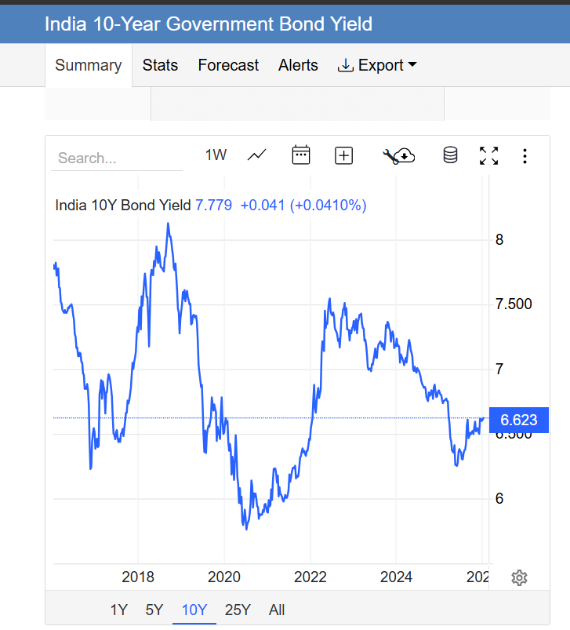
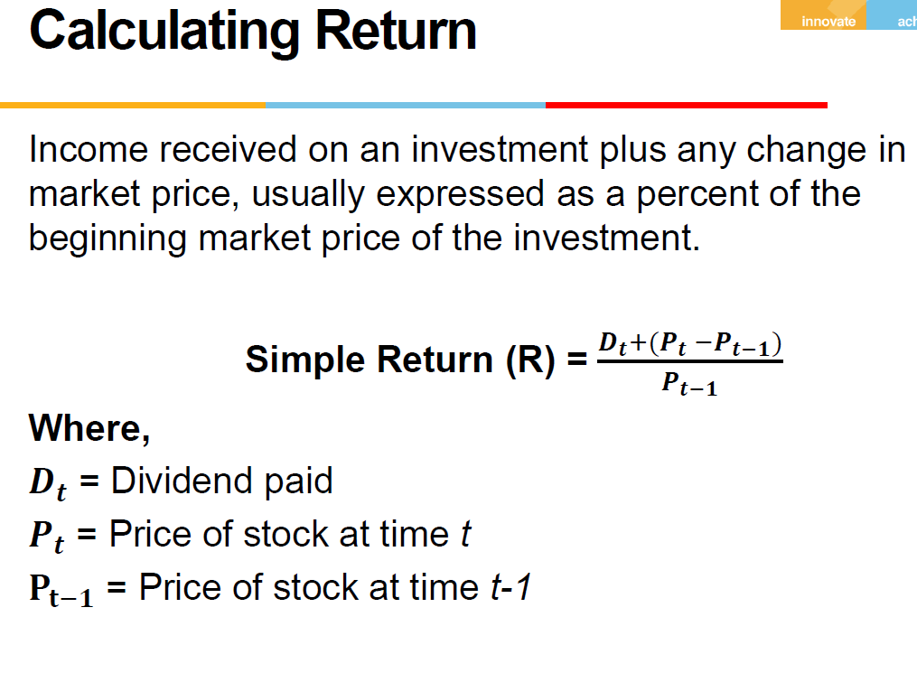
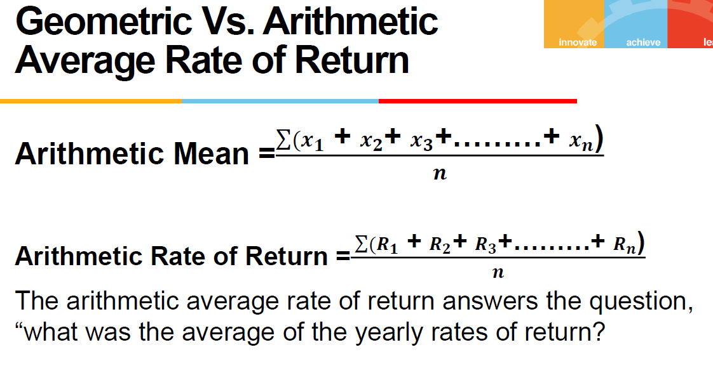
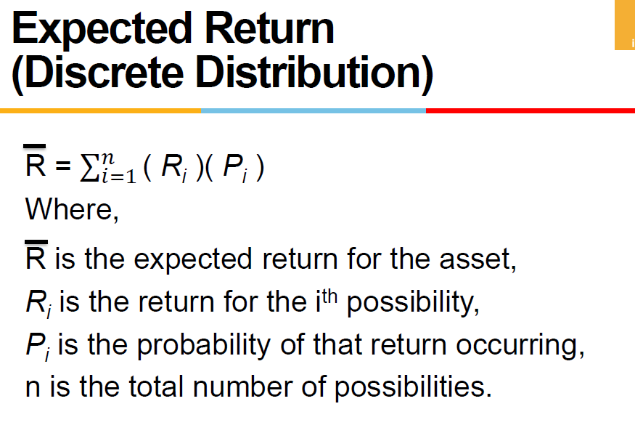
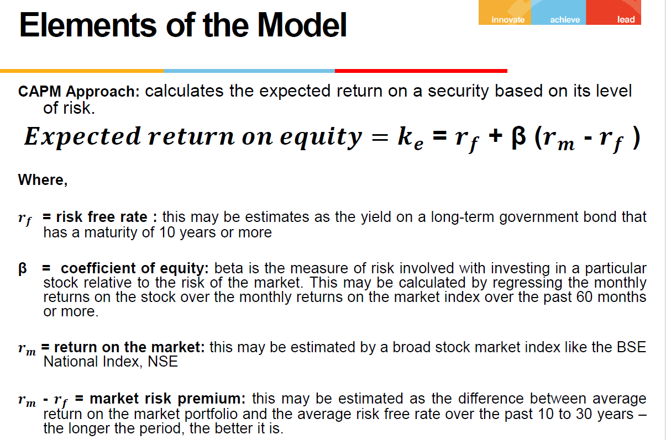
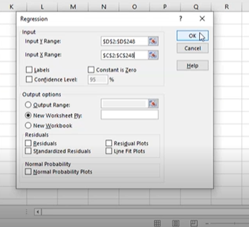
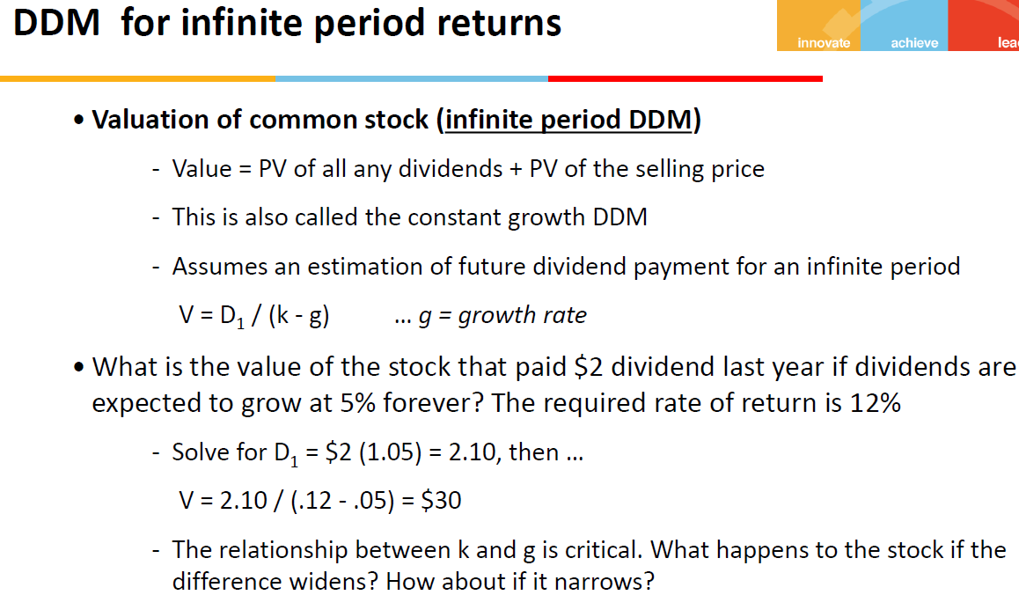
References used to perform the task in tis file

8-Jan-26 | https://tradingeconomics.com/india/government-bond-yield
India 10Y Bond Yield | 6.623

